Example
EVENT NAME: Fun BBQ Outdoor Day!
Name & Executive Position | John Smith & Event Coordinator | Date Completed | 2026-02-19
Club Name | Uni-Clubs Club | Date of Event: | 2026-05-20

Item | Cost per Item | Number of Item | Supplier | Total Cost | Link/Image | Additional Notes
Thin BBQ Sausages - 26 Pack | $11.00 | 2 | Woolworths | $22.00 | https://www.woolworths.com.au/shop/productdetails/901719/market-value-26-thin-bbq-sausages
White Sandwich Bread | $5.45 | 4 | Village Grocer (On Campus) | $21.80 | 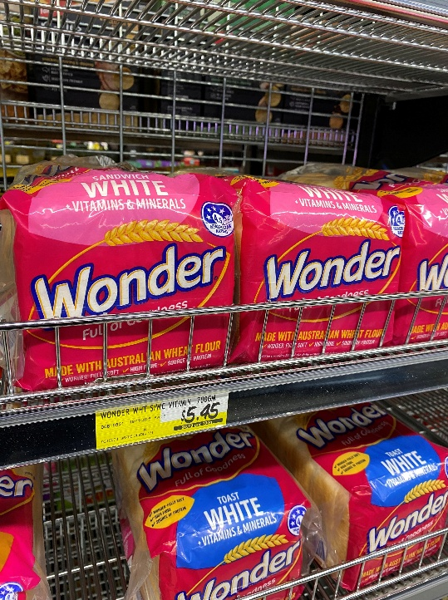 | Paid through Pulse
Streamers - 4 pack | $2.00 | 1 | Spotlight | $2.00 | https://www.spotlightstores.com/party/party-supplies/decorations/hanging-decorations/party-creator-crepe-streamer-4-pack/BP80646516-bright
Flyers - 50 pack | $19.95 | 1 | Officeworks | $19.95 | https://www.officeworks.com.au/print-copy/p/flyers-pcdhflcp

 |  |  | TOTAL | $65.75

